V2 Kit BOM
Part Number | Description | Image | Qty | Subsystem
B114 | Bobbin Top | 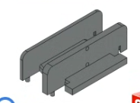 |  | Bobbin
B100 | Bobbin Bottom | 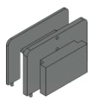 |  | Bobbin
B102 | Magnet Ring | 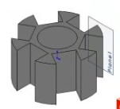 |  | Bobbin
B122 | Small Internal Spacer |  |  | Bobbin
B109 | Winding adaptor for drill | 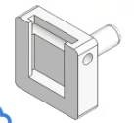 |  | Bobbin
B110 | Enclosure | 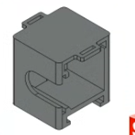 |  | Enclosure
B103 | Cover | 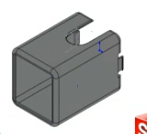 |  | Enclosure
B113 | Bike Mount |  |  | Mount
B123 | Rod Shaft | 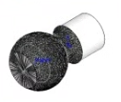 |  | Mount
B111 | Rod Shaft mounting plate |  |  | Mount
B112 | Nut |  |  | Mount
B124 | Light Enclosure |  |  | Light
B125 | Light Lid |  |  | Light
B115 | Spool Holder |  |  | Optional
B116 | Winder Platform |  |  | Optional
E101 | Rectifier PCB | 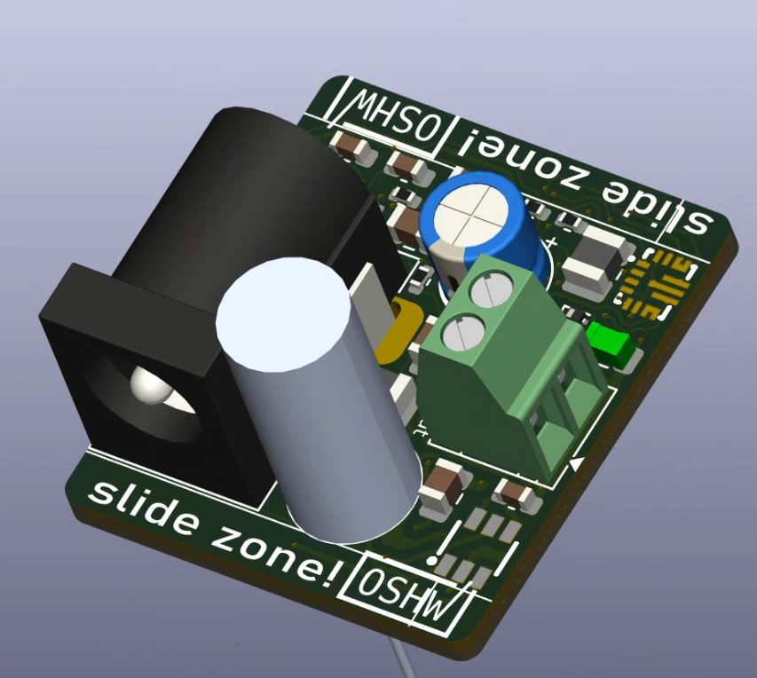 |  | Electrical
E102 | LED PCB | 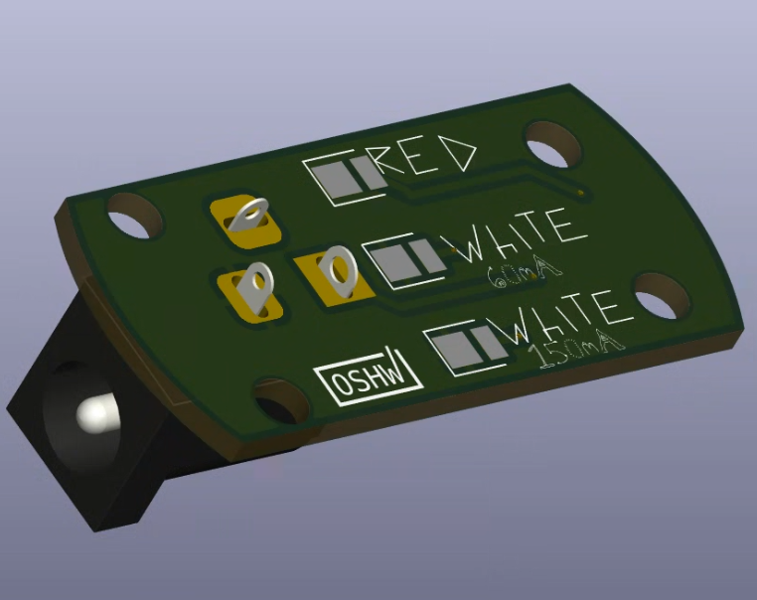 |  | Electrical
 | M3x16 screw |  | 1 | Hardware
 | M3 nut |  | 1 | Hardware
 | #4 x 1/2" wood screw |  | 2 | Hardware
 | M4x40 screw |  | 1 | Hardware
 | M4 nut |  | 1 | Hardware
 | 10x5x2 bar magnets |  | 2 | Bobbin
 | 32 gauge wire |  | 1 oz | Bobbin
 | 8 x 3 x 4 bearing |  | 2 | Bobbin
 | 5mm lens for leds |  | 2 | Light
 | 3 foot male to male barrel cables |  | 1 | Electrical
 | 1.3mm Flat head screwdriver |  | 1 | Tools
 | PH0 Philips head screwderiver |  | 1 | Tools
 | M2.0 Hex key |  | 1 | Tools
 | Drill with adjustable chuck |  | 1 | Tools
 | Knife or wire cutter |  | 1 | Tools
 | 80-220 grit Sandpaper |  |  | Tools
 | Zip ties |  |  | Tools
 | small amount of tape |  |  | Tools
 | CA glue |  |  | Tools
 | bike innertube

